NEW DESIGN BANK BTPN
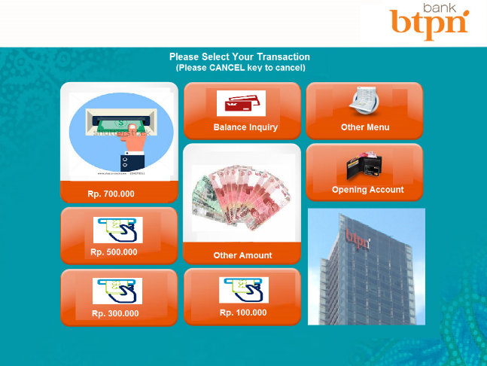

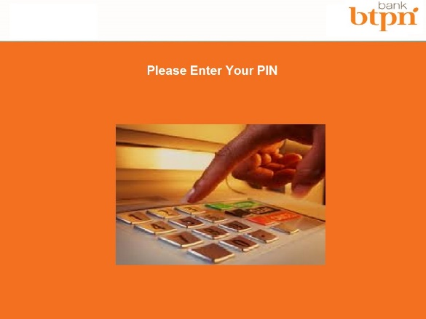
 | New Design

NEW DESIGN

